BVTs
S no | Feature | BVT | Steps | Expected output | Edge | Power BI Desktop | Internet Explorer | Chrome
1 | Basic chart | Display basic chart | 1. Drag 'Actual Sales' column in 'Actual Value' field 2. Drag 'Target Sales' column in 'Target Value' field | Visual should be rendered | 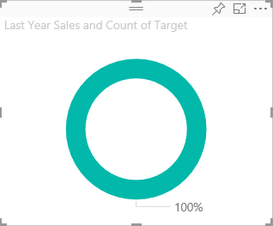 | 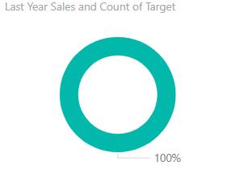 | 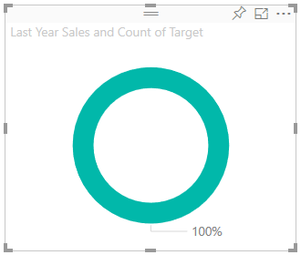 | 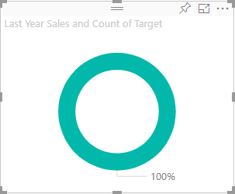
2 | Tooltip | Display Tooltip in the visual | 1. Drag 'Gross' column in 'Tooltip' field 2. Hover over the circle in the visual to see the tooltips | 'Tooltip' column value should be visible | 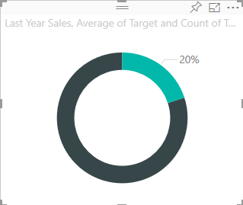 | 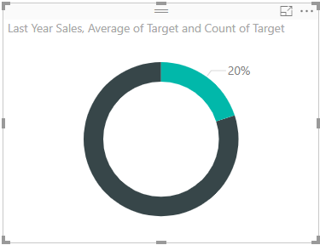 | 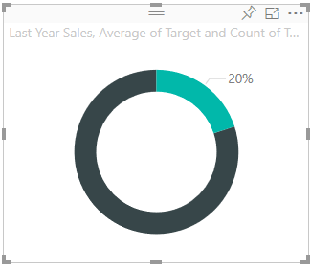 | 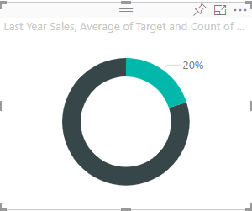
3 | General | Update Target Color | 1. Go to formatting pane 2. Go to General 3. Update Target Color to 'Red' | Target color should be updated to 'Red' | 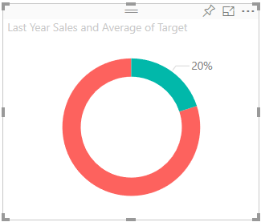 | 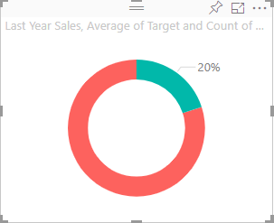 | 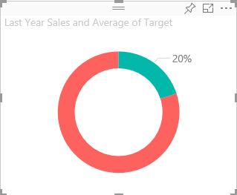 | 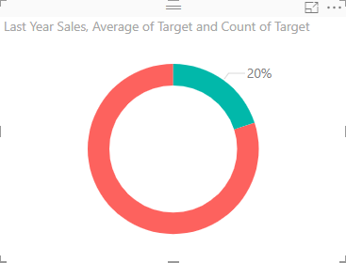
 |  | Update Value Color | 1. Go to formatting pane 2. Go to General 3. Update Value Color to 'Green' | Value color should be updated to 'Green' | 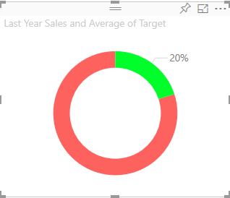 | 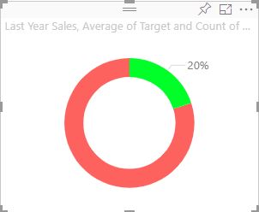 | 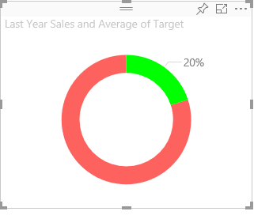
4 | Donut Chart | Check whether Donut chart ON/OFF button is working | 1. Go to formatting pane 2. Go to Donut Chart 3. Update Donut Chart button to 'OFF' 4. Update Donut Chart button to 'ON' | 1. Pie Chart should be displayed in the visual when the button is in 'OFF' state 2. Donut Chart should be displayed in the visual when the button is in 'ON' state | 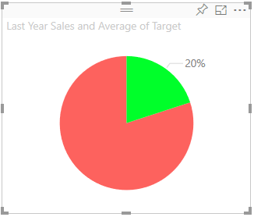 | 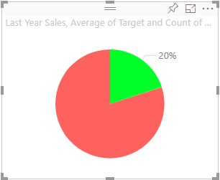 | 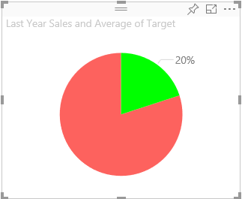 | 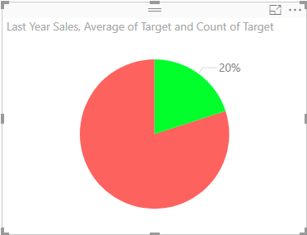
 |  | Update Ring width value | 1. Go to formatting pane 2. Go to Donut Chart 3. Update Ring width value to 50% | Ring width value should be updated to 50% | 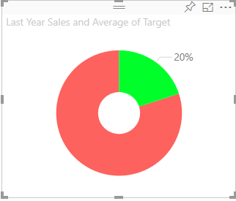 | 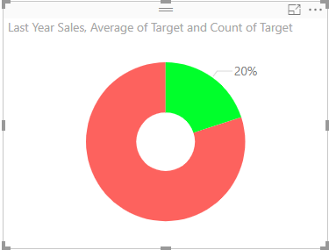 | 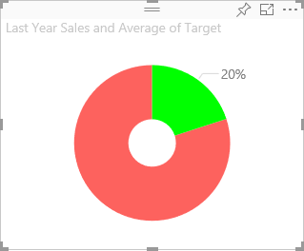 | 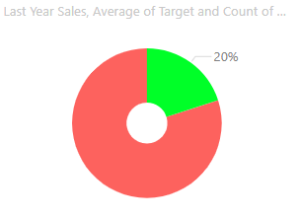
5 | Data Label | Check whether Data label ON/OFF button is working | 1. Go to formatting pane 2. Go to Data label 3. Update Data label button to 'OFF' 4. Update Data label button to 'ON' | 1. Data label should be displayed in the visual when the button is in 'OFF' state 2. Data label should be displayed in the visual when the button is in 'ON' state | 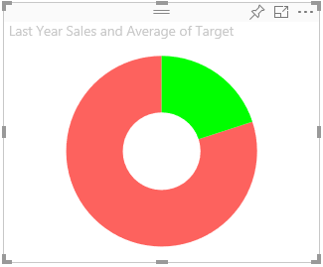 | 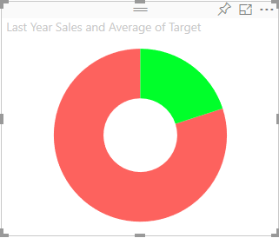 | 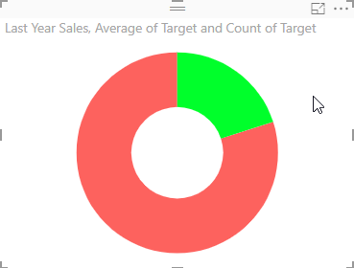 | 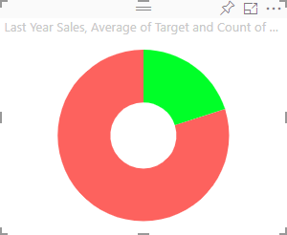
 |  | Update color of label | 1. Go to formatting pane 2. Go to Data label 3. Update Color to 'Blue' | Data label color should be updated to 'Blue' | 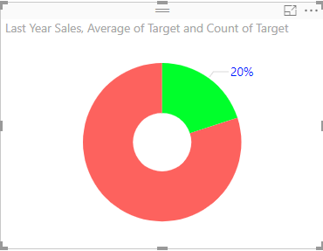 | 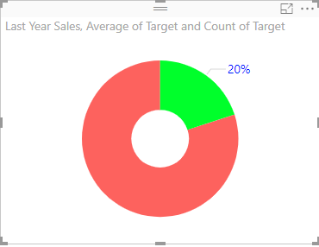 | 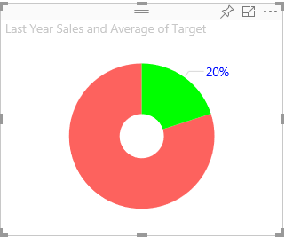 | 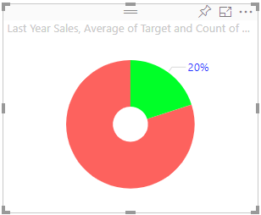
 |  | Update label style | 1. Go to formatting pane 2. Go to Data label 3. Update label style to 'Data Value' | Label style should be updated to 'Data Value' | 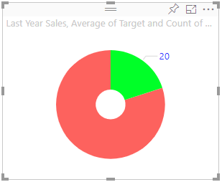 | 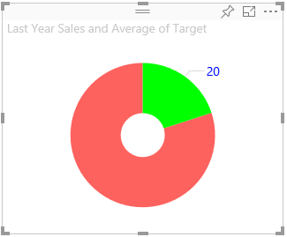 | 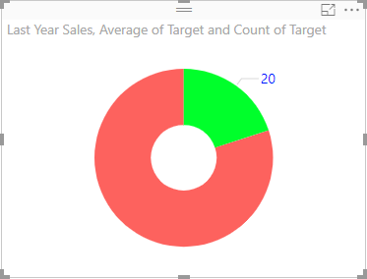 | 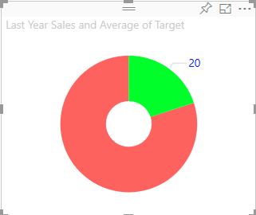
 |  | Update Display Units and Decimal Places | 1. Go to formatting pane 2. Go to Data label 3. Update the Display units value to Billions 4. Update the Decimal places value to 2 | Text will be formatted in Billions | 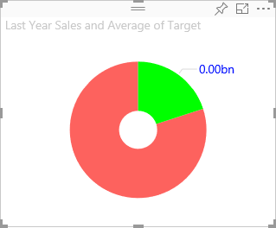 | 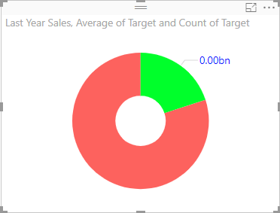 | 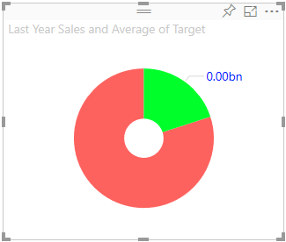 | 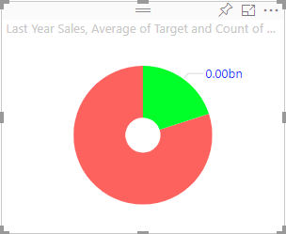
 |  | Update Text size | 1. Go to formatting pane 2. Go to Data label 3. Update Text Size value to 20 | Text size of label should increase | 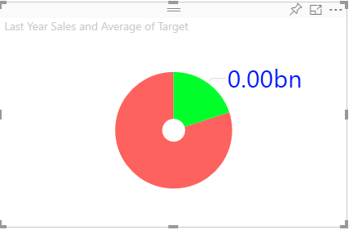 | 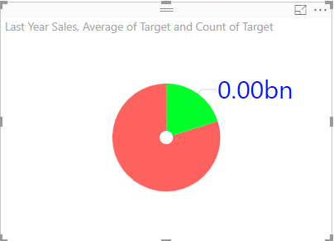 | 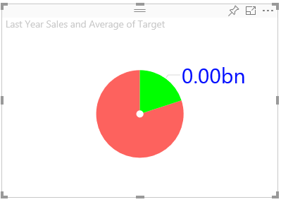 | 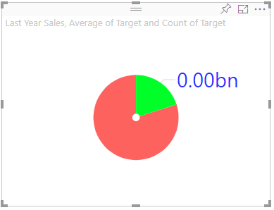
7 | Legend | Check whether Legend ON/OFF button is working | 1. Go to formatting pane 2. Go to Legend 3. Update Legend button to 'OFF' 4. Update Legend button to 'ON' | 1. Legend should not be displayed in the visual when the button is in 'OFF' state 2. Legend should be displayed in the visual when the button is in 'ON' state | 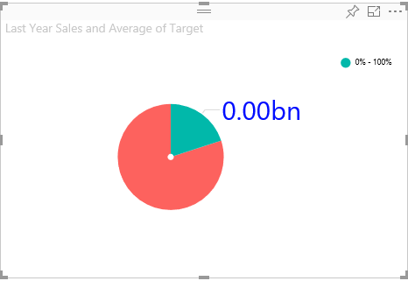 | 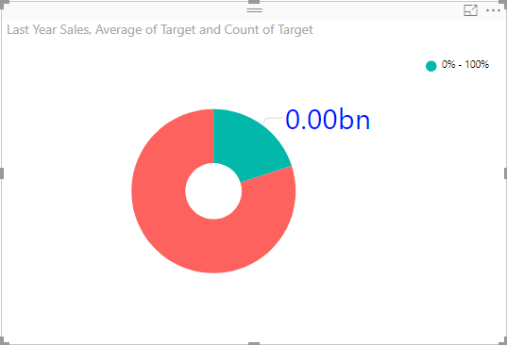 | 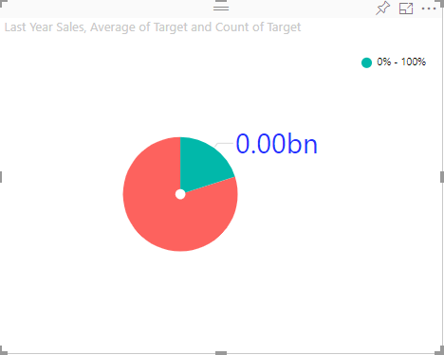 | 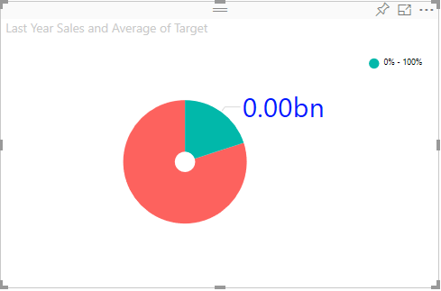
 |  | Update position of legend | 1. Go to formatting pane 2. Go to Legend 3. Update Legend position to 'Top Center' | Legend position should be updated to 'Top Center' | 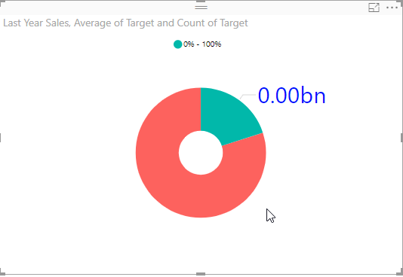 | 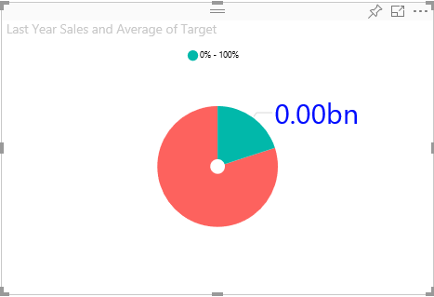 | 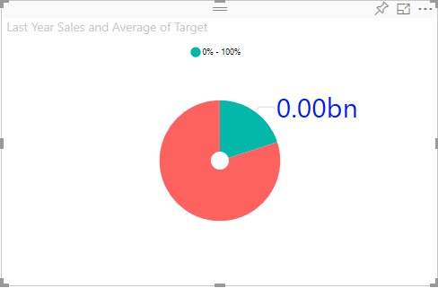 | 
 |  | Check whether Legend Title ON/OFF button is working | 1. Go to formatting pane 2. Go to Legend 3. Update Legend Title button to 'OFF' 4. Update Legend Title button to 'ON' 5. Update Title to 'Legend' | 1. Legend Title should not be displayed in the visual when the button is in 'OFF' state 2. Legend Title should be displayed in the visual when the button is in 'ON' state 3. Legend Title should be updated to 'Legend' |  |  |  | 
 |  | Update color of legend | 1. Go to formatting pane 2. Go to Legend 3. Update Color to 'Blue' | Legend color should be updated to 'Blue' |  |  |  | 
 |  | Update Value and color of range 1 | 1. Go to formatting pane 2. Go to Legend 3. Update 'range 1' 25 4. Update color to 'Blue' | 1. Range values should be updated from 0-25 2. Range 1 color should be updated to 'Blue' |  |  |  | 
 |  | Update Value and color of range 2 | 1. Go to formatting pane 2. Go to Legend 3. Update 'range 2' 50 4. Update color to 'Green' | 1. Range 2 values should be updated from 25-50 2. Range 2 color should be updated to 'Green' |  |  |  | 
 |  | Update Value and color of range 3 | 1. Go to formatting pane 2. Go to Legend 3. Update 'range 3' 75 4. Update color to 'sky Blue' | 1. Range 3 values should be updated from 50-75 2. Range 3 color should be updated to 'sky Blue' |  |  |  | 
 |  | Update Value and color of range 4 | 1. Go to formatting pane 2. Go to Legend 3. Update 'range 4' data MAX 4. Update color to 'pink' | 1. Range 4 values should be updated from 75-100 2. Range 4 color should be updated to 'pink' |  |  | 
 | Actual Value | Actual value accept 0 values but negative values | 1.Acual Value =0,Target Value=0 2.Actual Value=0,Target Value> Actual Value | 1.Visual shows 0% 2.Visual shows 0% |  |  | 
 | Target Value | Target value accept 0 values but negative values | 1.Target Value=0,Target Value< Actual Value | 1.Visual shows 100% |  |  | 

